IDF265
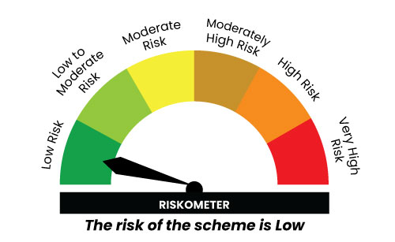

IDF265
INDEX | Portfolio Statement as on January 31,2025
 | Bandhan Overnight Fund

 | Name of the Instrument | ISIN | Industry / Rating | Quantity | Market/Fair Value ( Rs. in Lacs) | % to NAV | YTM
 | Money Market Instruments
 | Treasury Bill
TBIL2432 | 91 Days Tbill | IN002024X326 | SOVEREIGN | 2,500,000 | 2,494.73 | 3.61% | 6.42%
TBIL2402 | 182 Days Tbill | IN002024Y225 | SOVEREIGN | 2,500,000 | 2,488.61 | 3.60% | 6.43%
TBIL2320 | 364 Days Tbill | IN002023Z471 | SOVEREIGN | 1,000,000 | 999.13 | 1.45% | 6.36%
TBIL2399 | 182 Days Tbill | IN002024Y217 | SOVEREIGN | 500,000 | 498.33 | 0.72% | 6.42%
TBIL2436 | 91 Days Tbill | IN002024X342 | SOVEREIGN | 500,000 | 497.72 | 0.72% | 6.43%
 | TREPS / Reverse Repo Instrument
 | Reverse Repo |  |  |  | 52,498.55 | 76.04% | 6.72%
TRP_030225 | Triparty Repo TRP_030225 |  |  |  | 9,356.31 | 13.55% | 6.62%
 | Total |  |  |  | 68,833.38 | 99.69%
 | OTHERS
 | Cash Margin - CCIL |  |  |  | 200.21 | 0.29%
 | Subtotal |  |  |  | 200.21 | 0.29%
 | Net Current Assets |  |  |  | 9.78 | 0.02%
 | GRAND TOTAL |  |  |  | 69,043.37 | 100.00%

 |  |  |  |  | BENCHMARK NAME - NIFTY 1D RATE INDEX
 | SCHEME RISK-O-METER |  |  |  | BENCHMARK RISK-O-METER

